Sheet1
 |  | Document No. | Issue No. |  |  | Review and Replace Date |  | Authorised By
 |  | GFF463MC | 2 |  |  | 24.02.2026
 |  | Document Title | Gz Deli 20 Hot & Spicy Onion Bhaji 40G | 800G
 |  |  |  |  |  |  |  | Magda Shah
Document amendments reason for change |  | Tray Product code changed | Page 1 of 1 | Previous Issue Date |  |  | 11.09.2024 | Uncontrolled copy unless signed original

COBHC4-B20X1T | GAZEBO DELI - BOOTHS |  | Gz Deli 20 Hot & Spicy Onion Bhaji 40G | 800G
STEP 1 |  |  |  | STEP 2
 |  |  |  | 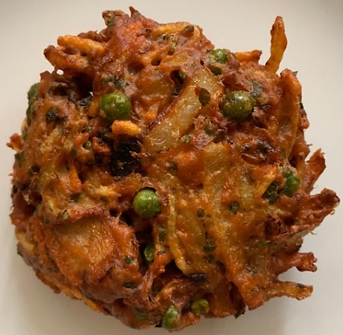

Tray: HW308/60 open ECO tray- (PKESS001-12) |  |  |  | 20 Hot & Spicy Onion Bhaji 40G - GFF334R
Film: K Peel RPSM 25µm (340mmX1000lm)-(PKKMP001-05)
STEP 3
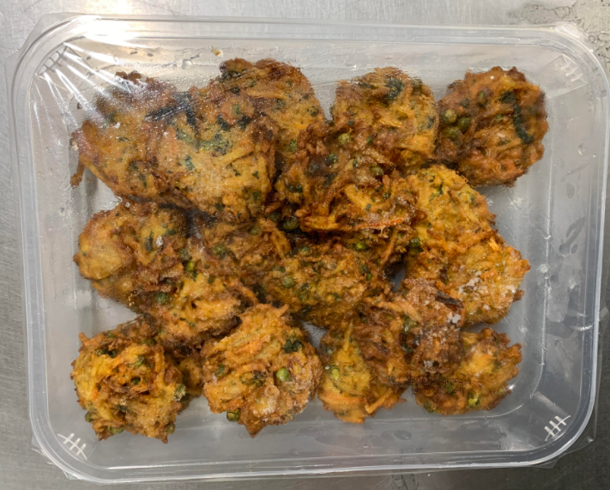 |  |  |  |  | 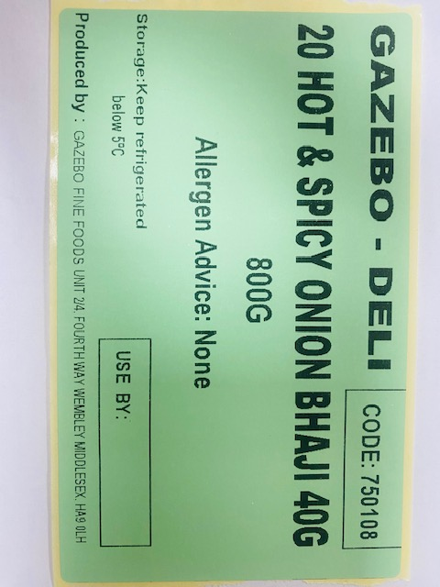

40 g X 20 units |  |  | GAZEBO -DELI| Code:750108|20 Hot & Spicy Onion Bhaji 800g
TOTAL WEIGHT: 800G
ALLERGY ALERT: None

